Revenue
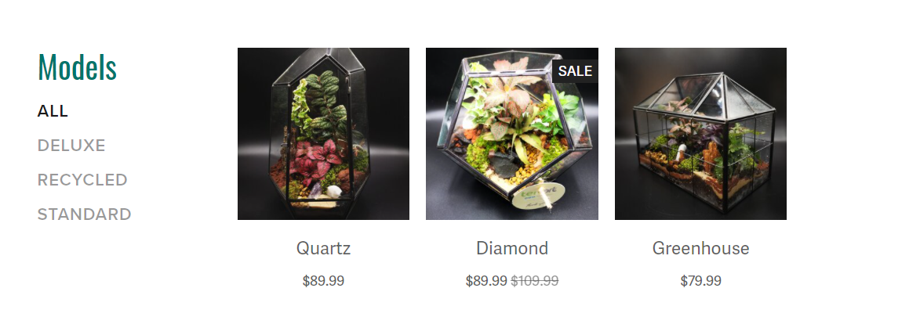

Products:
 |  | 2021-01-01 | 2021-02-01 | 2021-03-01 | 2021-04-01 | 2021-05-01 | 2021-06-01 | 2021-07-01 | 2021-08-01 | 2021-09-01 | 2021-10-01 | 2021-11-01 | 2021-12-01 | Total 2021 | 2022-01-01 | 2022-02-01 | 2022-03-01 | 2022-05-01 | 2022-06-01 | 2022-07-01 | 2022-08-01 | 2022-09-01 | 2022-10-01 | 2022-11-01 | 2022-12-01 | Total 2022 | 2023-01-01 | 2023-02-01 | 2023-03-01 | 2023-04-01 | 2023-05-01 | 2023-06-01 | 2023-07-01 | 2023-08-01 | 2023-09-01 | 2023-10-01 | 2023-11-01 | 2023-12-01 | Total 2023
Quantity Sold | Sales Price
Quartz | $89.99 | 25 | 29 | 33 | 38 | 44 | 50 | 58 | 67 | 76 | 88 | 101 | 116 | 725 | 122 | 128 | 135 | 141 | 148 | 156 | 164 | 172 | 180 | 189 | 199 | 1735 | 209 | 219 | 230 | 242 | 254 | 267 | 280 | 294 | 309 | 324 | 340 | 357 | 3325
Diamond | $89.99 | 20 | 23 | 26 | 30 | 35 | 40 | 46 | 53 | 61 | 70 | 81 | 93 | 580 | 98 | 103 | 108 | 113 | 119 | 125 | 131 | 137 | 144 | 152 | 159 | 1388 | 167 | 175 | 184 | 193 | 203 | 213 | 224 | 235 | 247 | 259 | 272 | 286 | 2660
Greenhouse | $79.99 | 15 | 17 | 20 | 23 | 26 | 30 | 35 | 40 | 46 | 53 | 61 | 70 | 435 | 73 | 77 | 81 | 85 | 89 | 94 | 98 | 103 | 108 | 114 | 119 | 1041 | 125 | 132 | 138 | 145 | 152 | 160 | 168 | 176 | 185 | 194 | 204 | 214 | 1995
 |  |  |  |  |  |  |  |  |  |  |  |  |  | 1740 |  |  |  |  |  |  |  |  |  |  |  | 4164 |  |  |  |  |  |  |  |  |  |  |  |  | 7979

Revenue | Sales Price
Quartz | $89.99 | $2,249.75 | $2,587.21 | $2,975.29 | $3,421.59 | $3,934.83 | $4,525.05 | $5,203.81 | $5,984.38 | $6,882.04 | $7,914.34 | $9,101.49 | $10,466.72 | $65,246.50 | $10,990.05 | $11,539.56 | $12,116.53 | $12,722.36 | $13,358.48 | $14,026.40 | $14,727.72 | $15,464.11 | $16,237.31 | $17,049.18 | $17,901.64 | $156,133.35 | $18,796.72 | $19,736.56 | $20,723.38 | $21,759.55 | $22,847.53 | $23,989.91 | $25,189.40 | $26,448.87 | $27,771.32 | $29,159.88 | $30,617.88 | $32,148.77 | $299,189.78
Diamond | $89.99 | $1,799.80 | $2,069.77 | $2,380.24 | $2,737.27 | $3,147.86 | $3,620.04 | $4,163.05 | $4,787.50 | $5,505.63 | $6,331.47 | $7,281.19 | $8,373.37 | $52,197.20 | $8,792.04 | $9,231.64 | $9,693.23 | $10,177.89 | $10,686.78 | $11,221.12 | $11,782.18 | $12,371.29 | $12,989.85 | $13,639.34 | $14,321.31 | $124,906.68 | $15,037.38 | $15,789.25 | $16,578.71 | $17,407.64 | $18,278.03 | $19,191.93 | $20,151.52 | $21,159.10 | $22,217.05 | $23,327.91 | $24,494.30 | $25,719.02 | $239,351.83
Greenhouse | 79.99 | $1,199.85 | $1,379.83 | $1,586.80 | $1,824.82 | $2,098.55 | $2,413.33 | $2,775.33 | $3,191.62 | $3,670.37 | $4,220.92 | $4,854.06 | $5,582.17 | $34,797.65 | $5,861.28 | $6,154.34 | $6,462.06 | $6,785.16 | $7,124.42 | $7,480.64 | $7,854.68 | $8,247.41 | $8,659.78 | $9,092.77 | $9,547.41 | $83,269.96 | $10,024.78 | $10,526.02 | $11,052.32 | $11,604.93 | $12,185.18 | $12,794.44 | $13,434.16 | $14,105.87 | $14,811.16 | $15,551.72 | $16,329.31 | $17,145.77 | $159,565.67
 |  |  |  |  |  |  |  |  |  |  |  |  |  | $152,241.35 |  |  |  |  |  |  |  |  |  |  |  | $364,309.99 |  |  |  |  |  |  |  |  |  |  |  |  | $698,107.28

Repeat Customers |  | 5 | 7 | 8 | 8 | 8 | 9 | 10 | 11 | 12 | 13 | 14 | 15 | 120
CHURN |  | 4 | 4 | 4 | 4 | 3 | 3 | 3 | 3 | 3 | 3 | 3 | 3 | 40

COGS
 | Cost per Unit
Quartz | $30.00 | $750.00 | $862.50 | $991.88 | $1,140.66 | $1,311.75 | $1,508.52 | $1,734.80 | $1,995.01 | $2,294.27 | $2,638.41 | $3,034.17 | $3,489.29 | $21,751.25 | $3,663.76 | $3,846.95 | $4,039.29 | $4,241.26 | $4,453.32 | $4,675.99 | $4,909.79 | $5,155.28 | $5,413.04 | $5,683.69 | $5,967.88 | $52,050.23 | $6,266.27 | $6,579.58 | $6,908.56 | $7,253.99 | $7,616.69 | $7,997.52 | $8,397.40 | $8,817.27 | $9,258.13 | $9,721.04 | $10,207.09 | $10,717.45 | $99,741.01
Diamond | $30.00 | $600.00 | $690.00 | $793.50 | $912.53 | $1,049.40 | $1,206.81 | $1,387.84 | $1,596.01 | $1,835.41 | $2,110.73 | $2,427.33 | $2,791.43 | $17,401.00 | $2,931.01 | $3,077.56 | $3,231.43 | $3,393.01 | $3,562.66 | $3,740.79 | $3,927.83 | $4,124.22 | $4,330.43 | $4,546.95 | $4,774.30 | $41,640.19 | $5,013.02 | $5,263.67 | $5,526.85 | $5,803.19 | $6,093.35 | $6,398.02 | $6,717.92 | $7,053.82 | $7,406.51 | $7,776.83 | $8,165.67 | $8,573.96 | $79,792.81
Greenhouse | $25.00 | $375.00 | $431.25 | $495.94 | $570.33 | $655.88 | $754.26 | $867.40 | $997.51 | $1,147.13 | $1,319.20 | $1,517.08 | $1,744.65 | $10,875.63 | $1,831.88 | $1,923.47 | $2,019.65 | $2,120.63 | $2,226.66 | $2,337.99 | $2,454.89 | $2,577.64 | $2,706.52 | $2,841.85 | $2,983.94 | $26,025.12 | $3,133.13 | $3,289.79 | $3,454.28 | $3,627.00 | $3,808.35 | $3,998.76 | $4,198.70 | $4,408.64 | $4,629.07 | $4,860.52 | $5,103.55 | $5,358.72 | $49,870.51
Total COGS |  | $1,725.00 | $1,983.75 | $2,281.31 | $2,623.51 | $3,017.04 | $3,469.59 | $3,990.03 | $4,588.53 | $5,276.81 | $6,068.34 | $6,978.59 | $8,025.38 | $50,027.88 | $8,426.64 | $8,847.98 | $9,290.37 | $9,754.89 | $10,242.64 | $10,754.77 | $11,292.51 | $11,857.13 | $12,449.99 | $13,072.49 | $13,726.12 | $119,715.54 | $14,412.42 | $15,133.04 | $15,889.69 | $16,684.18 | $17,518.39 | $18,394.31 | $19,314.02 | $20,279.72 | $21,293.71 | $22,358.39 | $23,476.31 | $24,650.13 | $229,404.32

 | Cost Per Unit: | Materials
 |  | Labor
 |  | Overhead/
 |  | Depreciation (Equipment)

